Expense Claim
CANADIAN COUNCIL OF MUSLIM WOMEN
Local Workshop Expense Reimbursement Form
Family Law & Legal Rights Project

Address: | Date:
<insert address> | Name:
 | Chapter:
 | Event Name:
 | Event Date:

ITEM DESCRIPTION |  | AMOUNT

 |  | $-

THANK YOU FOR YOUR BUSINESS!
NOTE:
- Send scanned receipts to Sabrine Azraq (projects@ccmw.com) along with the completed expense form.
- If you have not received e-payments from CCMW previously, please send void cheque (scanned or photo version is sufficient) or provide
the following to projects@ccmw.com:
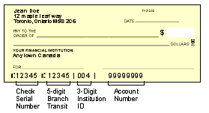
Transit #: <5 digits>
Institution #: <3 digits>
Account #: <5+ digits>

THANK YOU FOR YOUR BUSINESS!
- Payments will be issued electronically.
- Ensure expenditures are within reasonable parameters and related to the workshop.

